Sheet1
Scaling Up Quiz

Quiz Link

Elevate your marketing efforts with our engaging "Scaling Up Quiz"! Designed as a powerful tool for coaches, this interactive quiz offers an effective way to connect with your audience and spark interest in business growth and scalability strategies.

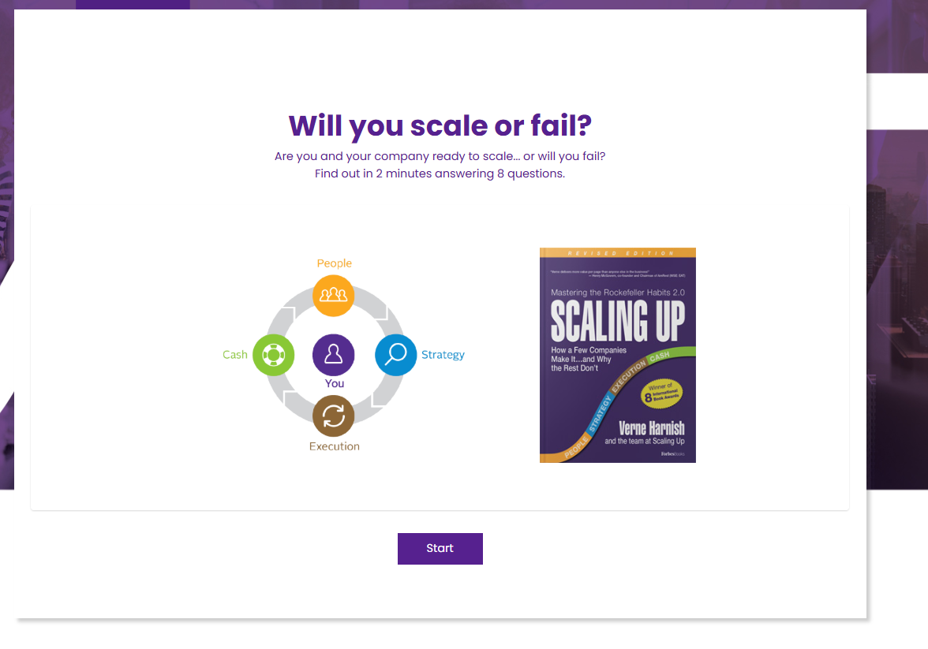

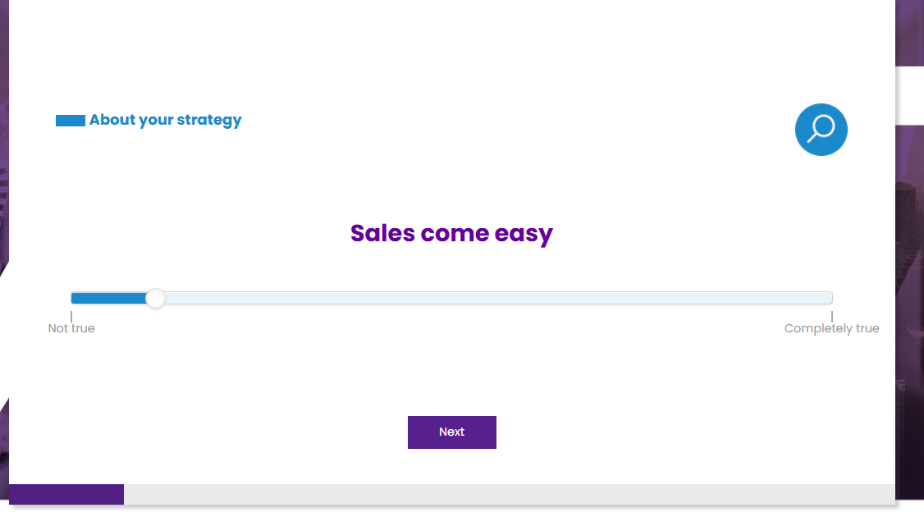

 |  | 10 pt scale

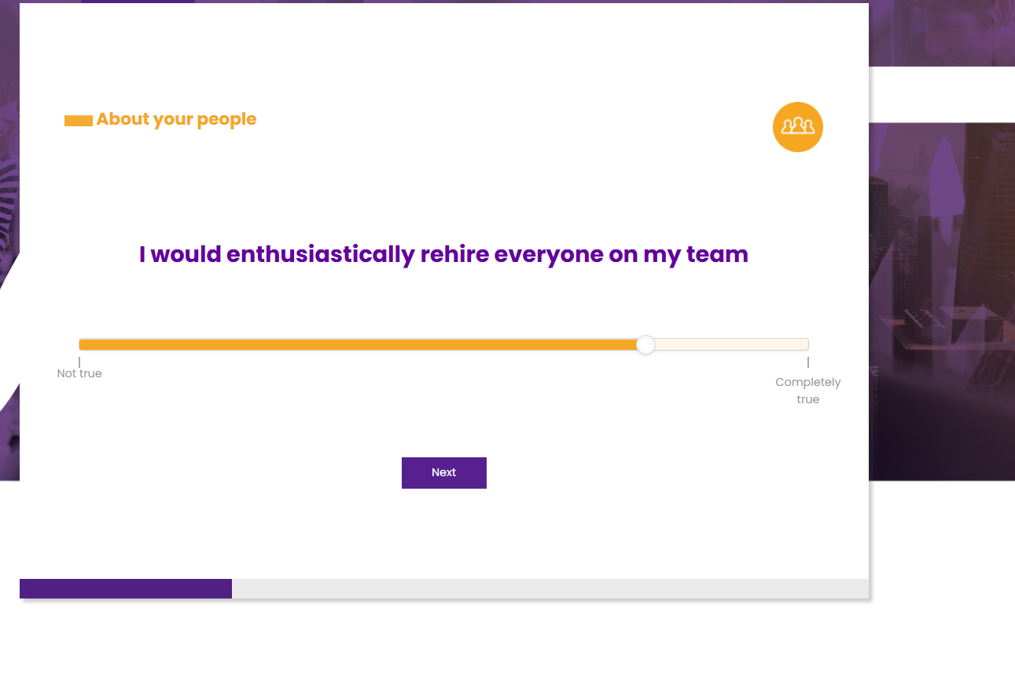

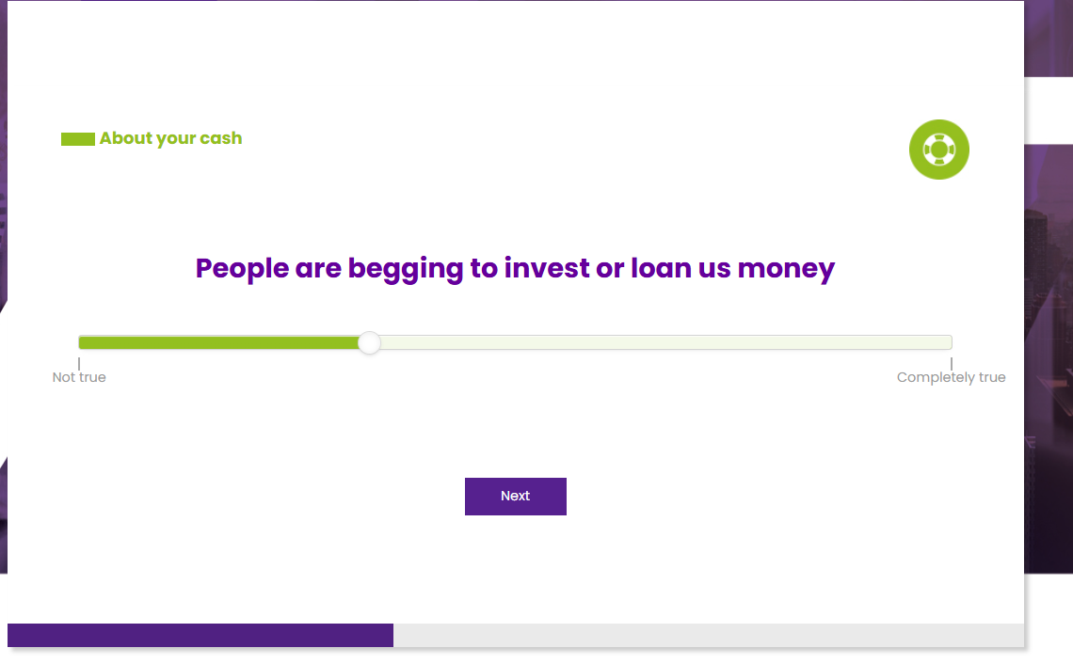

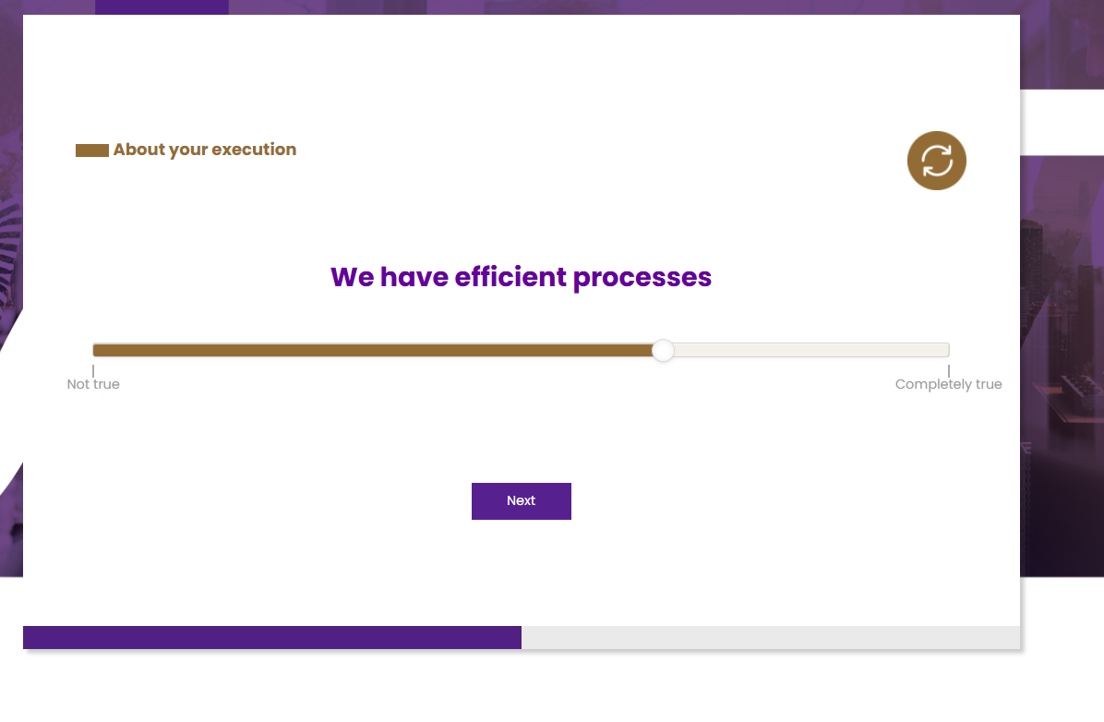

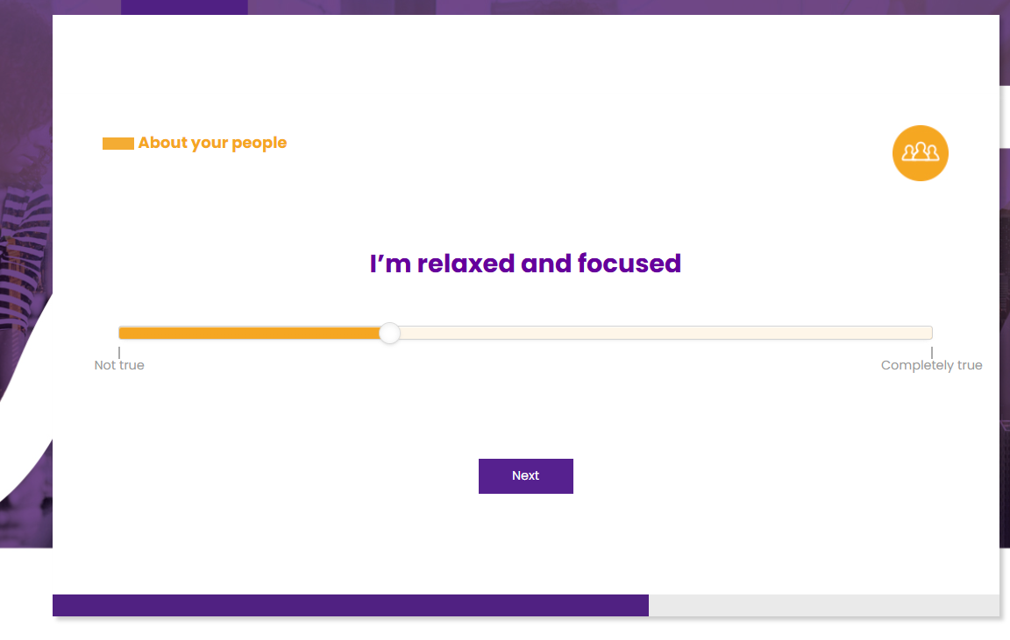

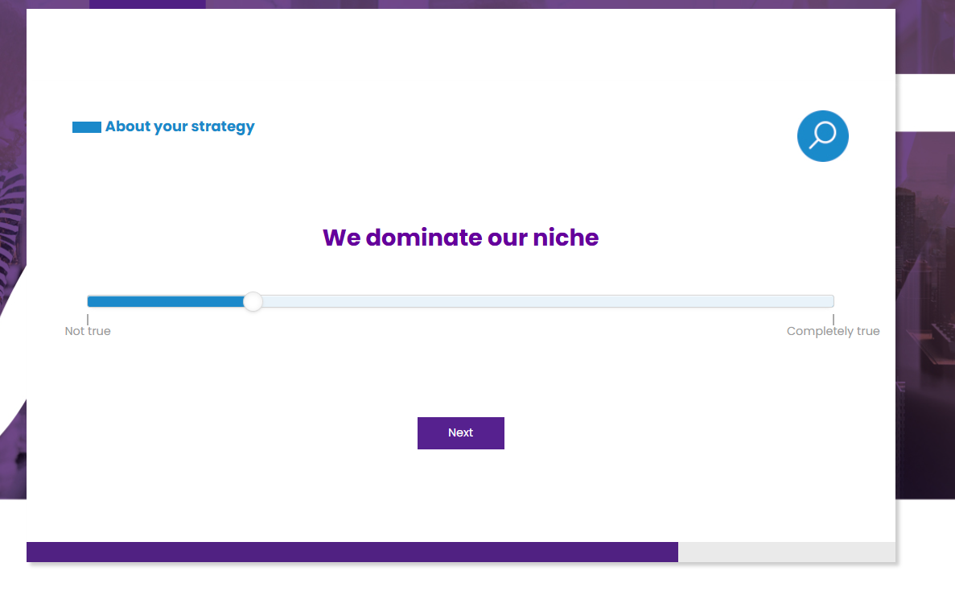

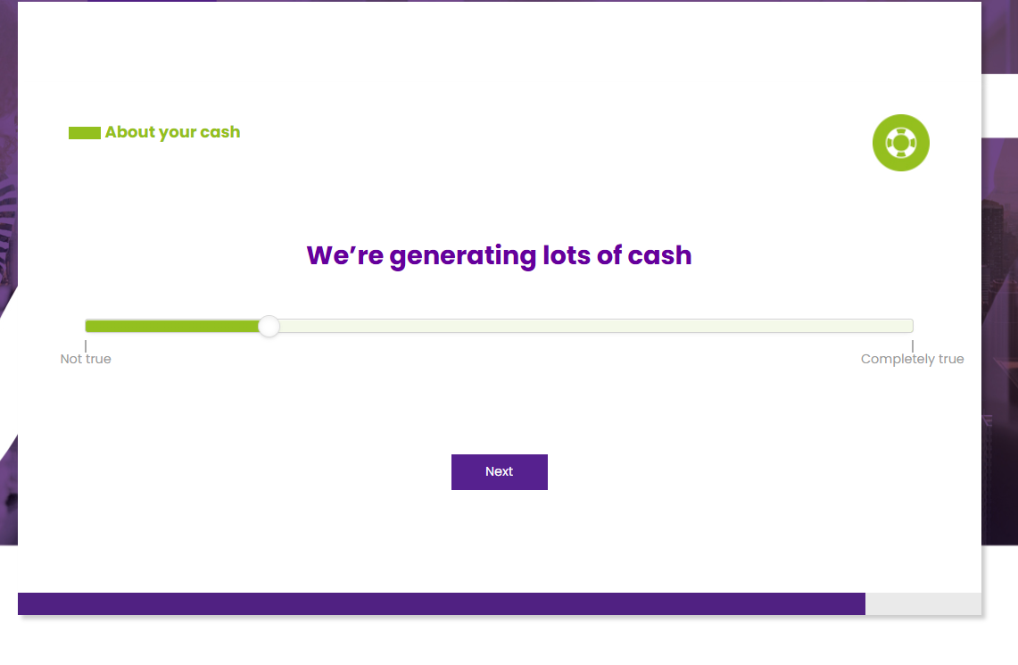

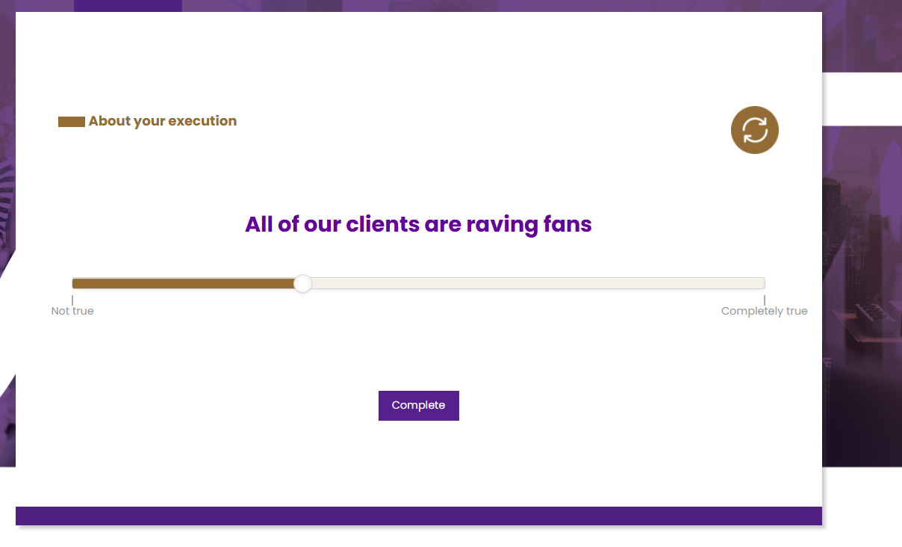

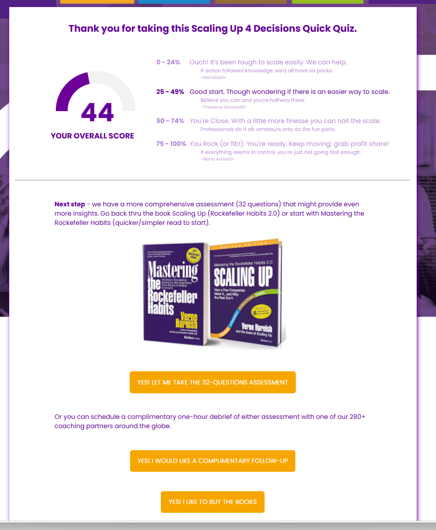

 | https://scalinguptoolkit.com/s/ScaleUpQA

 | https://coaches.scalingup.com/coach-match-after-assessment-form

 | https://scalingup.com/book/

